Dashboard
DASHBOARD MONITORING KAMPARKAB.GO.ID

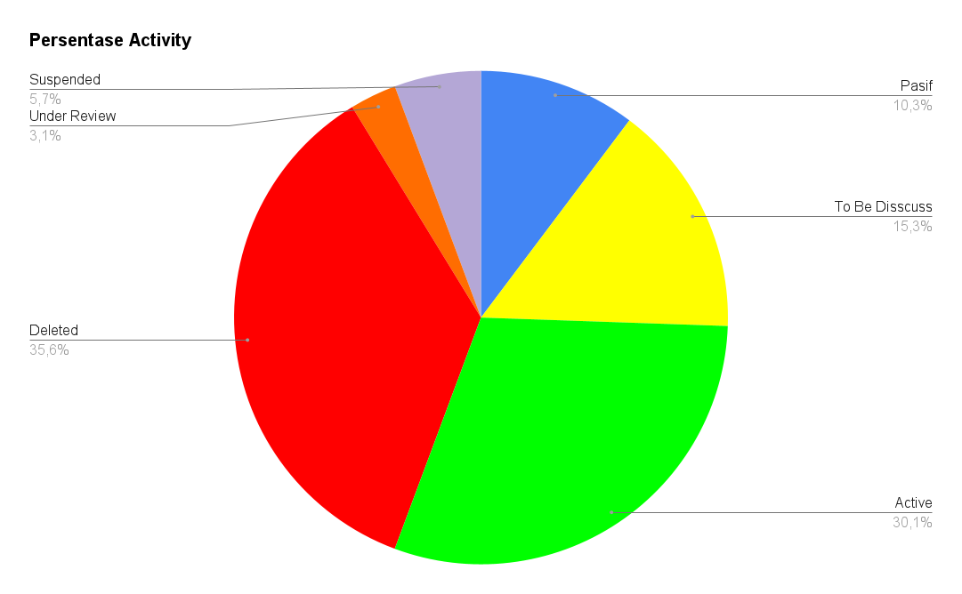

 | TOTAL OPD | 56
 | TOTAL DESA | 229
 | TOTAL KECAMATAN | 21
 | TOTAL KELURAHAN | 22
 | TOTAL PKM | 31

